Sheet1
SKU | ASIN | IMAGES
LC-BOTTLE01 | B0DKFK32LX | 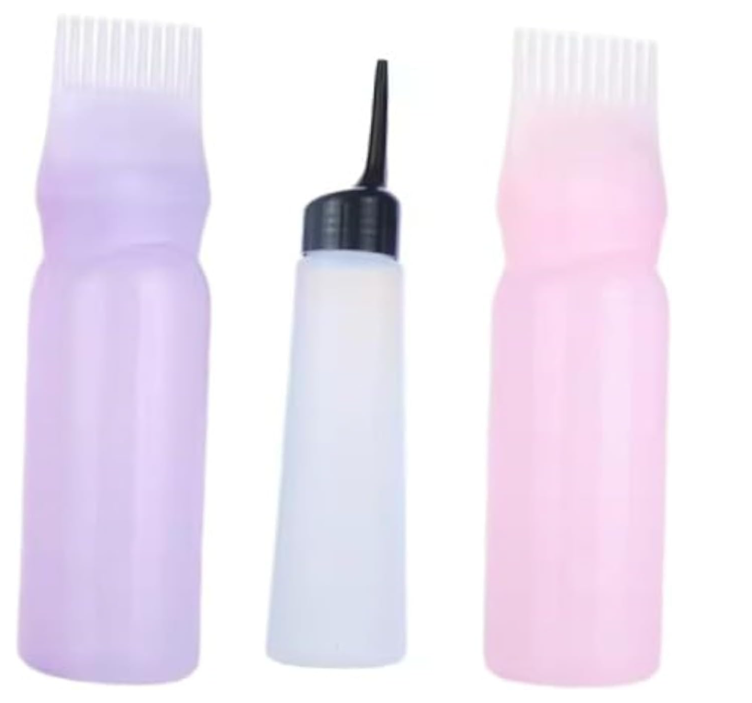
LC-EL31272 | B0DL316YBM | 
LC-KIDSMAT | B0DLH5CYQS | 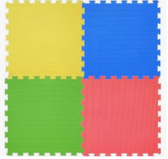
LC-KIDSMAT | B0DN5YDB73
CUSHION01-TW | B0DLH8TX7L | 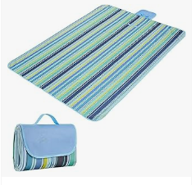
LC-MOUSEPAD | B0DLT85WQG | 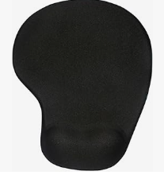
LC-HAIRPIN01 | B0DLWYTGKP | 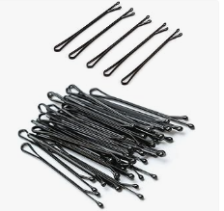
LC-ND33404 | B0DMFQJGTQ | 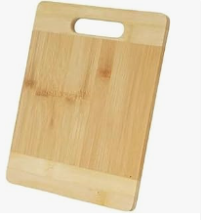
LC-THOLDER-BK | B0DNFD4GYK | 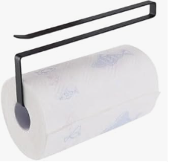
LC-THOLDER-BK | B0DNFCW9TF
LC-THOLDER-BK | B0DNFDXDKY
LC-NL80260 | B0DNG1LJQP | 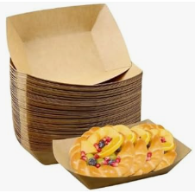
LC-NL80260 | B0DNG12GJV
LC-NL80260 | B0DNFYG58P
LC-10001-GN | B0DNTMF9WG | 